Deckblatt_Cover
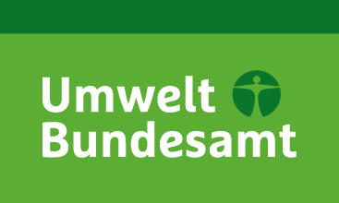

Nationale Trendtabellen für die deutsche Berichterstattung atmosphärischer Emissionen (Persistente Organische Schadstoffe, engl: POPs)
1990 - 2013
Endstand: 03.02.2015
National Trend Tables for the German Atmospheric Emission Reporting (Persistent Organic Pollutants)
1990 - 2013
Final version 03.02.2015

UMWELTBUNDESAMT

Impressum / Imprint

Herausgeber / Publisher:
Umweltbundesamt
Postfach 14 06
06813 Dessau
Tel.: 0340-2103-0
Telefax: 0340-2103-2285
Internet: http://www.umweltbundesamt.de

Redaktion / Editor:
Patrick Gniffke

Dessau, Februar 2015

Abkürzungsverzeichnis / Abbreviations
IE: an anderer Stelle einbezogen / engl.: Included Elsewhere
NA: nicht anwendbar / engl.: Not Applicable
NE: nicht geschätzt / engl.: Not Estimated
NO: nicht vorkommend / engl.: Not Occurring

