Versioning
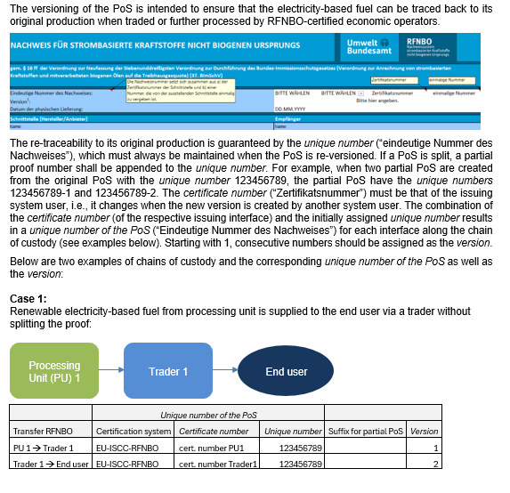
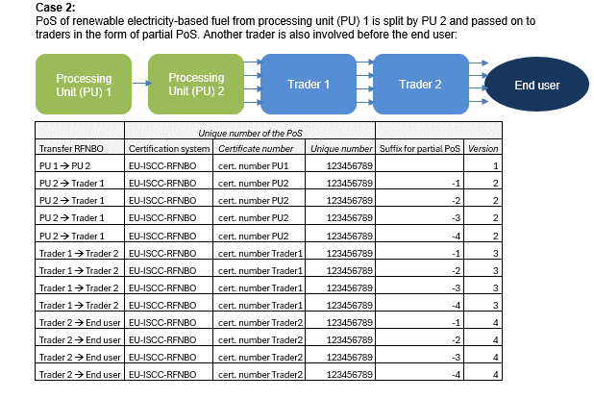

Version 1.0 (23.03.2026)

electricity quantities
There have been an increasing number of queries regarding the amounts of electricity used (cells L36 with L38 and L39) and the amount of renewable electricity generated by the corresponding plants (cell L 45).

Total amount of electricity used by the electrolyzer/generation plant and all other auxiliary consumers (e.g., pumps, compressors). This is to be determined for the amount of hydrogen specified in the PoS using the monthly specific electricity consumption (kWh/kg RFNBO).

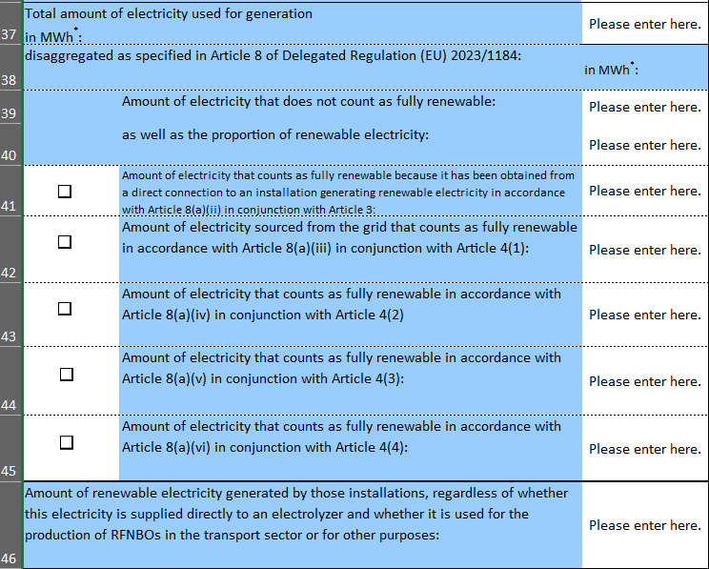

Above amount, broken down into renewable and non-renewable shares

Total amount of electricity generated in the contracted electricity generation units and contractually allocated to the processing unit in the respective generation period (i.e., amount which was available for use).

Version 1.0 (23.03.2026)

