Deckblatt_Cover
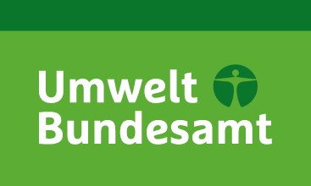

Nationale Trendtabellen für die deutsche Berichterstattung atmosphärischer Emissionen (Persistente Organische Schadstoffe, engl: POPs)
1990 - 2021
15/03/2023

National Trend Tables for the German Atmospheric Emission Reporting (Persistent Organic Pollutants)
1990 - 2021
15/03/2023

UMWELTBUNDESAMT

Impressum / Imprint

Herausgeber / Publisher:
Umweltbundesamt
Postfach 14 06
06813 Dessau
Email: V1.6@uba.de
Internet: https://www.umweltbundesamt.de/themen/luft/emissionen-von-luftschadstoffen

Redaktion / Editor:
Patrick Gniffke

Dessau, April 2023

