Deckblatt_Cover
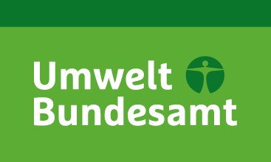

Nationale Trendtabellen für die deutsche Berichterstattung atmosphärischer Emissionen
Fassung zur EU-Submission 15.01.2018
18/12/2017
National Trend Tables for the German Atmospheric Emission Reporting
1990 - 2016
Version for the EU-Submission 15.01.2018

UMWELTBUNDESAMT

Impressum / Imprint

Herausgeber / Publisher:
Umweltbundesamt
Postfach 14 06
06813 Dessau
Email: I2.6@uba.de
Internet: http://www.umweltbundesamt.de/emissionen

Redaktion / Editor:
Patrick Gniffke

Dessau, January 2018

